1. Title Page
Python Instacart Analysis

Project Name: Python Instacart Analysis
Date: 12/01/2021
Analyst Name: Colin Lynt

Contents:
Population Flow
Consistency checks
Wrangling steps
Column derivations
Visualizations
Recommendations
Data Source: | The Instacart Online Grocery Shopping Dataset 2017”, Accessed from https://www.instacart.com/datasets/grocery-shopping-2017 on 12/01/2021.

Objective You’re an analyst for an existing company, Instacart, an online grocery store that operates through an app. Instacart already has very good sales, but they want to uncover more information about their sales patterns. Your task is to perform an initial data and exploratory analysis of some of their data in order to derive insights and suggest strategies for better segmentation based on the provided criteria.

Context The Instacart stakeholders are most interested in the variety of customers in their database along with their purchasing behaviors. They assume they can't target everyone using the same methods, and they’re considering a targeted marketing strategy. They want to target different customers with applicable marketing campaigns to see whether they have an effect on the sale of their products. Your analysis will inform what this strategy might look like to ensure Instacart targets the right customer profiles with the appropriate products.

2. Population Flow
Title page

Population flow

Exclusion flag
Condition: max_order < 5
Obervations to be removed: 1441630
Final total count of order_products_all: 30994611

Orders_products_combined
Orders_products_mergeorder
Orders_products_all

Total: 32436241
Total: 32434489
Total: 32436241

1.) The grey boxes in the first row of the population flow represent the original data sets as they were when you downloaded them. In the Total fields you need to add the count of the rows when you imported the data set into Jupyter.
2.) The second row of boxes (coloured) represents the data sets after you manipulated them, e.g., removed missing values and duplicates. In the Total fields you need to add the count of the rows after conducting these operations. This offers a visual oveview of how the data flows throughout the data consistency checks.
3.) The third row, where also the arrows are coloured, represents the merges you performed between the datasets. In the Total fields you need to add the count of the rows in the merged datasets, so that you end up with the final dataset (in the red box). Keep in mind the final dataset should be without exclusions (based on the exclusion flag).

3. Consistency checks
 |  |  |  | Title page
Consistency checks

Dataset | Missing values | Missing values treatment | Duplicates
orders | 206209 (This is due to new orders) | created a separate column to indicate these were new orders | NONE
products | 16 | Deleted | 5
orders_products_prior | NONE | NONE | NONE
customers | NONE | NONE | NONE

4. Wrangling steps
 |  |  |  |  | Title page
Wrangling steps

Data set | Columns dropped | Columns renamed | Columns' type changed | Comment/Reason
Orders Data | eval_set |  |  | Nothing of value in columns
Orders Data |  | Order_dow TO orders_day_of_week |  | changed it to be more comprehensive
Orders Data |  |  | order_id changed to STRING | Nothing mathmatical is being done to order_id
Orders Data |  |  | user_id changed to STRING | Nothing mathmatical is being done to user_id
Customers Data | first_name |  |  | Nothing was needed from this dataset and had a lot of missing or NaN values
Customers Data |  | Surname TO Last Name |  | changed it to be more comprehensive
Customers Data |  | STATE TO State |  | changed it to be more comprehensive
Customers Data |  | date_joined TO Date Joined |  | Something I wish I hadn't changed but at the time I thought it would make it more comprehensive
Customers Data |  | fam_status TO Marital Status |  | changed it to be more comprehensive

5. Column derivations
 |  |  |  | Title page

Column derivations and aggregations

In this tab you should add tables below that the frequences of flags/label variables that you produced after deriving them. NB: don't do this for continuous variables, only for flags.
Dataset | New column | Column/s it was derived from | Conditions
orders_products_merged | busiest_day | order_day_of_week | if value was set to 0 or 1 then busiest day, if they were set to 3 or 4 then least busy, lastly anything else was regularly busy
orders_products_merged | price_range | prices | if prices were less than or equal to $5 then low-range product, elseif price was greater than $5 but more than $15 then mid-range product, elseif anything greater than $15 then high-range product, everything else "not enough data"
orders_products_merged | busiest_period_of_day | order_hour_of_day | if value was anywhere between 10 to 15 then "Most orders", elseif value was anywhere between 0 to 5 then "Fewest orders", everything else is "Average orders"
orders_products_combined | max_order | order_number | Grouped the number of orders to for every user_id to create max_order
orders_products_combined | loyality_flag | max_order | if max_order was over 40 then "Loyal customer", elseif max_order was less than or equal to 40 but higher than 10 then "Regular customer", else max_order was less than or qual to 10 then "New customer"
orders_products_combined | spending | prices | Aggregate the prices column to figure out the mean of the prices column
orders_products_combined | spending_flag | spending | if spending was less than 10 then "Low spender", else spending was greater than or equal to 10 "High spender"
orders_products_combined | frequency | days_since_prior_order | Aggregate the number of days_since_prior_order to figure out the median, IE the frequency
orders_products_combined | frequency_flag | frequency | If the median of “days_since_prior_order” is higher than 20, then the customer should be labeled a “Non-frequent customer”, elseif the median is higher than 10 and lower than or equal to 20, then the customer should be labeled a “Regular customer”, elseif the median is lower than or equal to 10, then the customer should be labeled a “Frequent customer.”
orders_products_all | region | State | Generated a list of states based on location within the United States
orders_products_all | exclusion_flag | max_order | Anything less than 5 then "Low-activity customer", everything greater than or equal to 5 then "High-activity customer"
orders_products_all | age_groups | Age | Generated age brackets: 18-20, 21-30, 31-40, 41-50, 51-60, 61-70, 71-80, 80+
orders_products_all | income_groups | Income | Generated income brackets: 000000-050000 050000-100000 100000-150000 150000-200000 200000-250000 250000-300000 300000-350000 350000-400000 400000+
orders_products_all | department_type | department_id | Generated department types based on list of number corrisponding with each department
orders_products_all | parental_status | n_dependents | Generated two conditions for either parents or non-parents based on if they had at least 1 dependent
orders_products_all | day_ordered | order_day_of_week | Generated day_ordered based on corrisponding number for each name of the weekday

6. Visualizations
 |  |  | Title page

Visualisations

In this tab you should include all the visualtions from Exercises 4.9 and 4.10, alongside the questions from the project brief that they answer. Include any commentary on the relationship between different variables.

Q1 | What are the busiest days of the week and hours of the day?
Q2 | Are there particular times of the day when people spend the most money?
Q3 | Marketing and sales want to use simpler price range groupings.
Q4 | Are there types of products that are more popular than others? (Which department has the highest number of product orders?)
Q5 | The marketing and sales teams are particularly interested in the different types of customers in their system and how their ordering behaviors differ
Q5a | a. What's the distribution among users in regards to their brand loyalty?
Q5b | b. Are there differences in ordering habits based on a customer’s loyalty status?
Q5c | c. Are there differences in ordering habits based on a customer’s region?
Q5d | d. Is there a connection between age and family status in terms of ordering habits?
Q5e | e. What different classifications does the demographic information suggest? Age? Income? Certain types of goods? Family status?
Q5f | f. What differences can you find in ordering habits of different customer profiles?

Q1 What are the busiest days of the week and hours of the day?
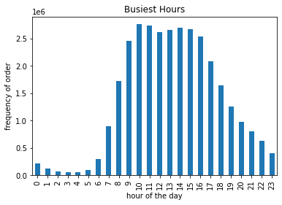
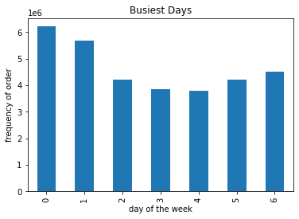

The busiest day is Saturday, and least busy day is wednesday. The busiest hours are at 9 am while the least busiest hour is 3 am.

Q2 Are there particular times of the day when people spend the most money?
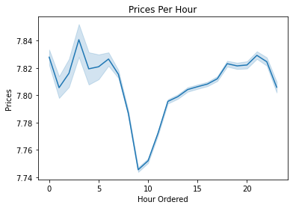

Peek prices are at 2 am and decline to there lowest peek at 9 am

Q3 Marketing and sales want to use simpler price range groupings.
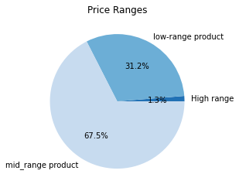
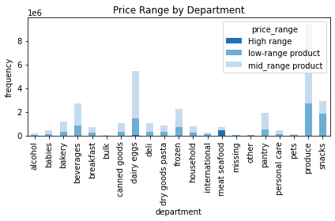
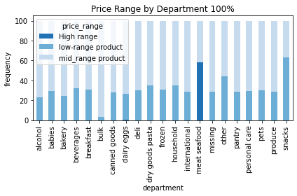

Majority of products are mid ranged products. However, meat and seafood has the most High-ranged products in any department.

Q4 Are there types of products that are more popular than others? (Which department has the highest number of product orders?)
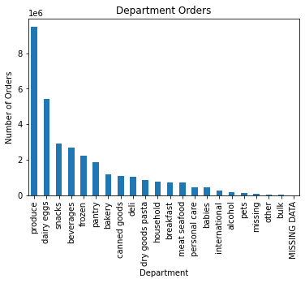

Produce, dairy/eggs, snacks, and beverages make up the most orders within the department.

Q5a. What's the distribution among users in regards to their brand loyalty?
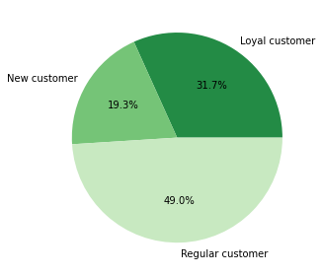

Loyal customers make up majority of our customer base.

Q5b. Are there differences in ordering habits based on a customer’s loyalty status?
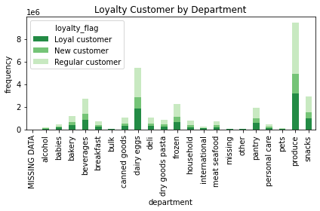
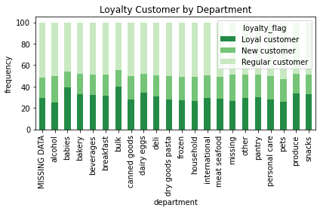

There is no significant diffrence when it comes to ordering habbits and loyality customers. However, regular customers are the largest contributer of orders.

Q5c. Are there differences in ordering habits based on a customer’s region?
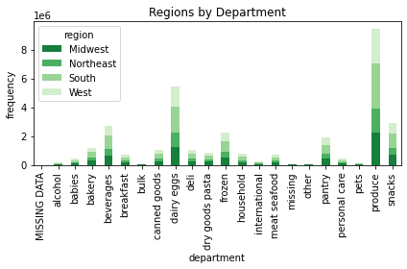
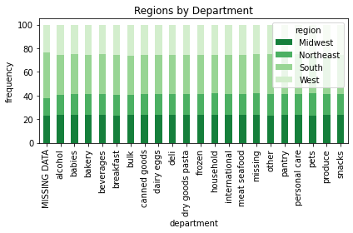

There is no significant diffrence when it comes to diffrent regions within the US and ordering habbits

Q5d. Is there a connection between age and family status in terms of ordering habits?

 | Age
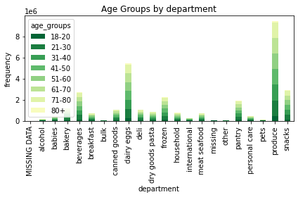
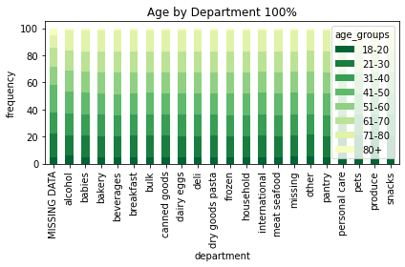

Age and Parental status don't impact ordering habbits

 | Parental Status
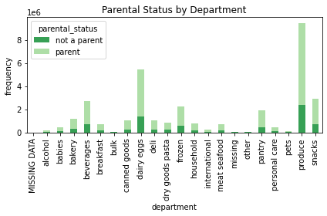
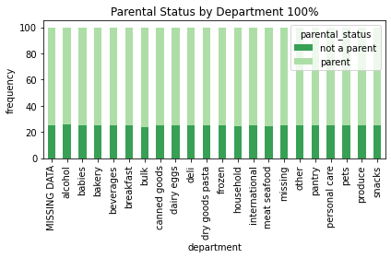

Q5e. What different classifications does the demographic information suggest? Age? Income? Certain types of goods? Family status?

 | Age | Income
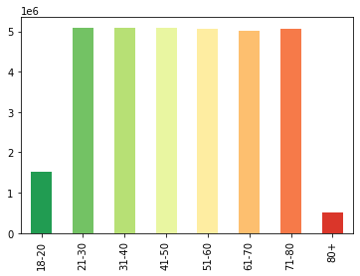
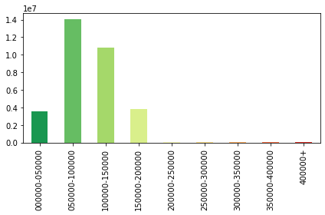

Majority of customers are between the an income group of $0 to $200,000

 | Parental Status | Marital Status
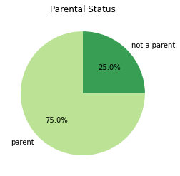
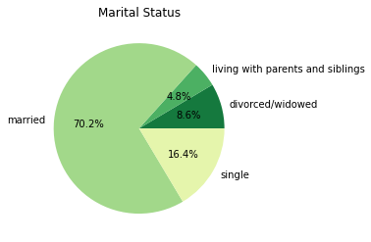

Majority of customers are married and have children.

Q5f. What differences can you find in ordering habits of different customer profiles?

 | Income
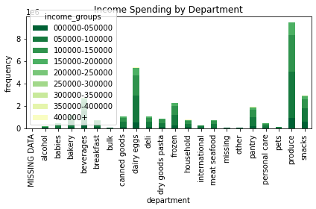
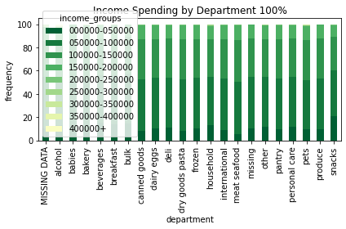

The proportion of orders from lower income is significantly higher than higher income.

 | Age

There isn't much of diffrence in ordering habbits between customers with diffrent age groups.

 | Parental Status

There isn't much of diffrence in ordering habbits between customers with diffrent parental statuses. However, parents are our largest contributing customers.

 | Marital Status
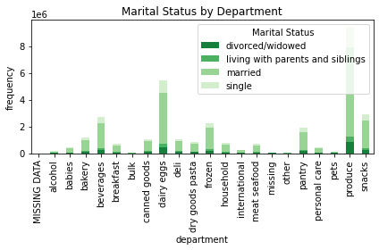
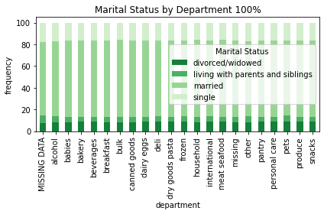

There isn't much of diffrence in ordering habbits between customers with diffrent Marital status. However, married customers are our largest contributing customers.

7. Recommendations
 |  |  | Title page

Recommendations

In this tab you should include any recommendations you would made to Instcart in terms of their marketing strategy based on the questions posed in the brief. Every key question has been covered in the Tasks of the Exercises - here you need to add an item - a visualisation or table/crosstable that is showing the answer in the data, acompanied by a comment from you. Please, list the questions below and add the answer underneath.

Question | Answer
Key Question 1: What are the busiest days of the week and hours of the day? | Busiest Days: Given the busiest days are Saturday and Sunday, I'd recommend increasing employee staffing on those days to meet demand. Given the lest busy days are Tuesdays and Wednesdays, I'd also recommend increasing the number of advertisements aired on these days to increase interest in Instacarts services. | Busiest Hours: Given the busiest hours are between 9 am through to 4pm, I'd recommend increasing employee staffing on those hours and cutting back on less ordered hours, which are from 5pm to 6 am.
Key Question 2: Are there particular times of the day when people spend the most money? | Customers purchase more expensive items at 2am. Therefore if Instacart could recommend more expensive items at this time, they would increase revenue. If we investigated exactly what was purchased at this time, we'd be able to understand what exactly to advertise.
Key Question 3: Marketing and sales want to use simpler price range groupings. | Produce, dairy, and eggs are the largest contributer to instacarts products and have a range of low and mid-ranged products. If instacart wants to increase sales, they could bump some of the lower-ranged products from these groups into mid-ranges products. Shifting some low-ranged products could increase profit margins.
Key Question 4: Are there types of products that are more popular than others? (Which department has the highest number of product orders?) | Instacart should focus on advertisements towards popular products such as Produce.
Key Question 5a: What's the distribution among users in regards to their brand loyalty? | Loyalty members for Instacart's services should be rewarded. They could be given coupons for reguar discounts. This will drive up interest in instacart's services.
Key Question 5b: Are there differences in ordering habits based on a customer’s loyalty status? | Loyal customers have a higher order rate of bulk items. Therefore, if Instacart advertise or make it cheaper for loyal customers then revenue would increase.
Key Question 5c: Are there differences in ordering habits based on a customer’s region? | There is no significance for ordering habbits and a customers region, so there's no reccomendation.
Key Question 5d: Is there a connection between age and family status in terms of ordering habits? | Age and Parental status doesn't impact ordering habbits, so ther's no reccomendations.
Key Question 5e: What different classifications does the demographic information suggest? Age? Income? Certain types of goods? Family status? | These categories could help to understand future ordering habbits and adjust advetisements. It should be noted that 75% of Instacart's cliental are parents. However, baby products aren't frequently purchased. This could be a huge untaped market to advertise too.
Key Question 5f: What differences can you find in ordering habits of different customer profiles? | Parents are some of Instacarts largest customers and therfore should be advertised to heavily, especially to increase the sales of the baby department. Income also plays a large role as majority of Instacarts services are bought by people who make between $0 and $150,000. This means, advertising towards familys who are between low and average income levels should be Instacarts priorty.

